District Comparisons
 |  | 2016 |  | 2017 |  | 2018 |  | 2019 |  | 2020 |  |  | 2016 FTES F | 2017 FTES F | 2017 FTES Sp | 2018 FTES F | 2018 FTES Sp | 2019 FTES F | 2019 FTES Sp | 2020 FTES F | 2020 FTES Sp
 |  | FT Faculty | FTES/FT | FT Faculty | FTES/FT | FT Faculty | FTES/FT | FT faculty | FTES/FT | FT faculty | FTES/FT
 | CCC | 89.0 | 27.5 | 93.8 | 27.7 | 87.8 | 31.4 | 96.8 | 28.5 | 91.8 | 23.6 | CCC | 2445 | 2599 | 2406 | 2759 | 2504 | 2761 | 2525 | 2164 | 2428
 | DVC | 264.0 | 28.6 | 257.0 | 29.6 | 266.0 | 29.9 | 271.0 | 27.8 | 276.0 | 26.6 | DVC | 7548 | 7612 | 7695 | 7953 | 7521 | 7539 | 7370 | 7337 | 7151
 | LMC | 115.6 | 30.9 | 118.6 | 30.5 | 118.6 | 32.9 | 129.6 | 29.9 | 126.6 | 27.2 | LMC | 3573 | 3623 | 3504 | 3905 | 3489 | 3873 | 3541 | 3445 | 3475

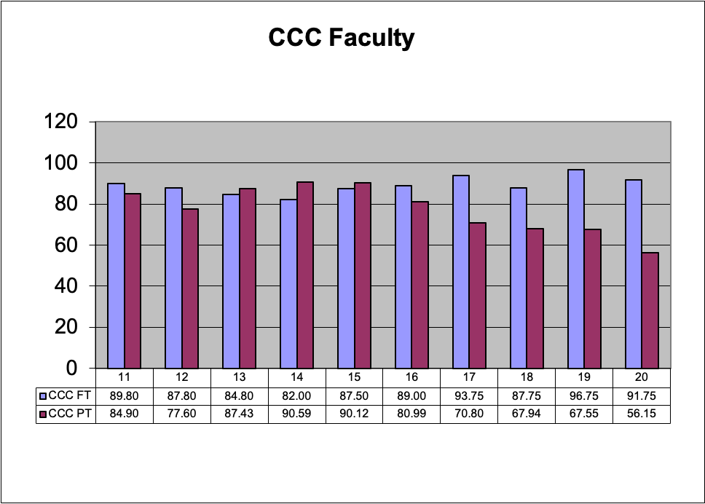
As of November 2020 |  |  |  |  |  |  |  |  |  |  |  |  |  |  |  |  |  |  | FT | PT | %FT
Last round of hiring (2019-20 "hire" in 2020-21 budget) | % of total retired/resigned |  |  | Analysis |  |  |  |  |  |  |  |  |  |  |  |  |  | CCC | 37713 | 75833 | 33.21
CCC | 28.57 | 7 retirees, 2 hires so far |  | Replaced lowest % of retirees |  |  |  |  |  |  |  |  |  |  |  |  |  | DVC | 136824 | 192079 | 41.60
DVC | 135.71 | 14 retirements. 19 hires |  | Increased FT faculty size |  |  |  |  |  |  |  |  |  |  |  |  |  | LMC | 59671 | 85135 | 41.21
LMC | 50.00 | 6 retired, 3 hired |  | replaced 1/2 of retirees, more than CCC, but not even

 | % of total FT faculty hired | # hired | Total FTEF
CCC | 0.022 | 2 | 91.8 | Smallest faculty size, smallest % hired
DVC | 0.069 | 19 | 276.0 | Bigger faculty, bigger % hired
LMC | 0.024 | 3 | 126.6 | Medium faculty size, smallest % hired

 | % of total FT faculty retired | # retired | Total FTEF
CCC | 0.076 | 7 | 91.8 | Smallest faculty, Largest retirement
DVC | 0.051 | 14 | 276.0 | Largest college, smaller retirement
LMC | 0.047 | 6 | 126.6 | Medium college, smaller retirement

As of January 2021
1 Journalism Hired
2 (library and nursing in process)
Total of 5 replacements for 7 retirees done or in process.
Still down 2 relative to retirements as of May 2020
Down 4 total relative to November 2020

Hiring new faculty to be included in budget as of June 2021
Plans: | No $ for new positions
4 as of Feb 1, 2021 | # faculty spots determined by # retirements
 | # faculty spots determined by budget assessment
1 | HSI-STEM institutionalize
1.8 | SWF perhaps institutionalize

1. Prioritization criteria (immediate!)
2. How should we tackle fighting for # faculty? (long term and UF collaboration)

